References
Parking Regulation
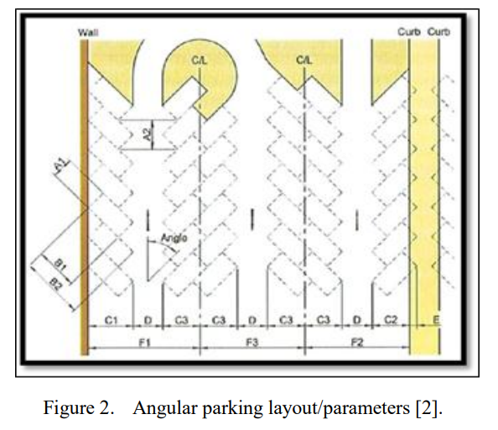
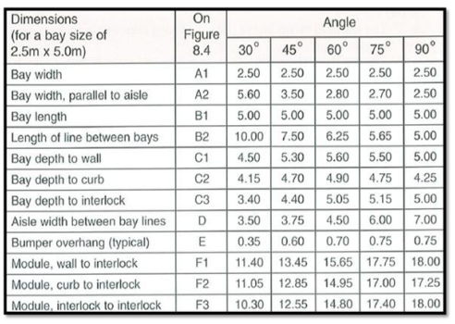

 | Dimensions | 30 | 45 | 60 | 75 | 90
 | A1 | 2.5 | 2.5 | 2.5 | 2.5 | 2.5
 | A2 | 5.6 | 3.5 | 2.8 | 2.7 | 2.5
 | B1 | 5 | 5 | 5 | 5 | 5
 | B2 | 10 | 7.5 | 6.25 | 5.65 | 5
 | C1 | 4.5 | 5.3 | 5.6 | 5.5 | 5
 | C2 | 4.15 | 4.7 | 4.9 | 4.75 | 4.25
 | C3 | 3.4 | 4.4 | 5.05 | 5.15 | 5
 | D | 3.5 | 3.75 | 4.5 | 6 | 7
 | E | 0.35 | 0.6 | 0.7 | 0.75 | 0.75
 | F1 | 11.4 | 13.45 | 15.65 | 17.75 | 18
 | F2 | 11.05 | 12.85 | 14.95 | 17 | 17.25
 | F3 | 10.3 | 12.55 | 14.8 | 17.4 | 18

